Sheet1
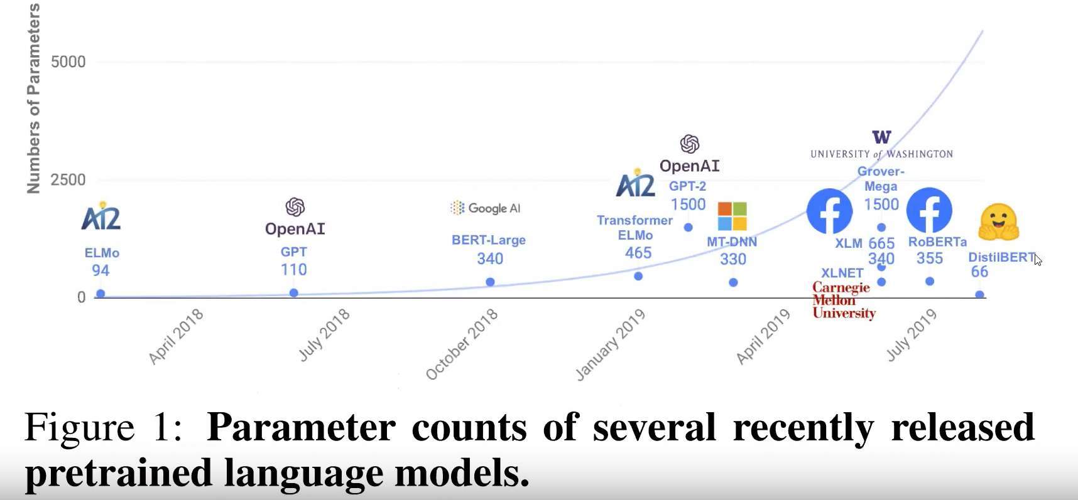
BERT
 | Reference | 04.AttentionIsAllYouNeed/1810.04805.pdf

 | - How masking happens in BERT & GPT ?
 | - BERT is advanced version of GPT .

ELMO | - ELMo ( Embedding from a Language Model )
 |  | - Responsible for generating Embeddings .
 |  | - Character wise embeddings
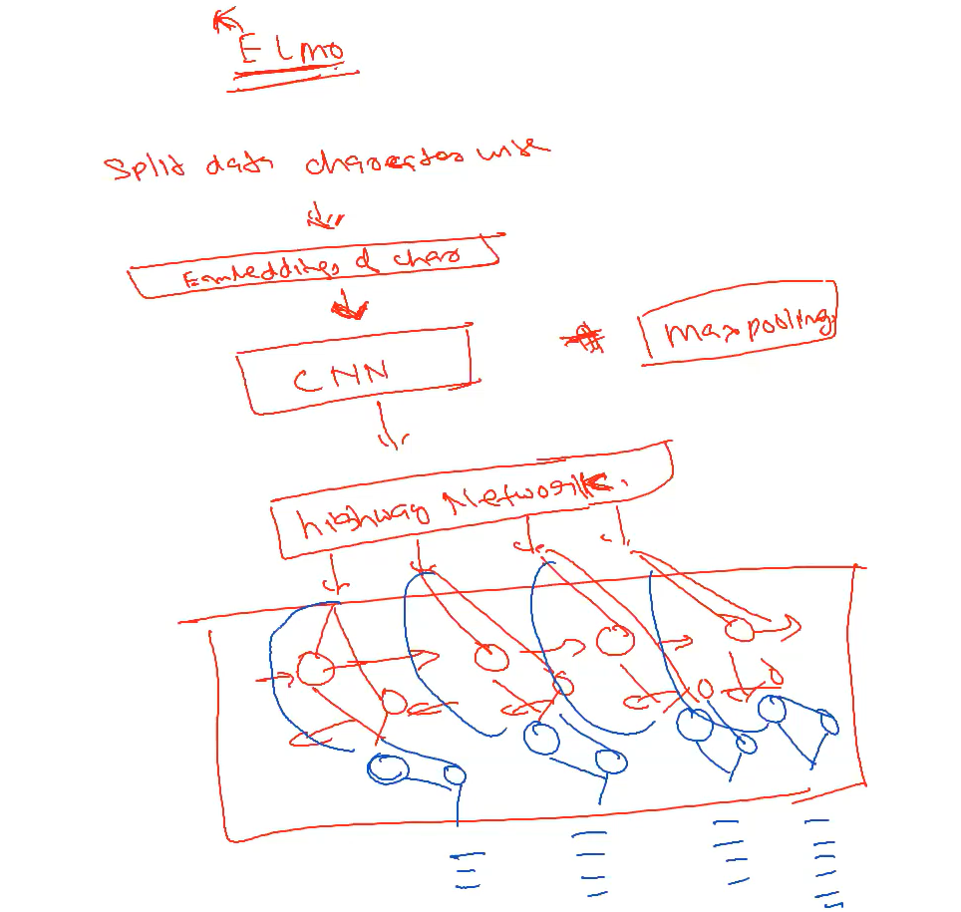
 |  |  |  |  |  |  |  |  |  |  |  |  | Matrix

 |  |  |  |  |  |  |  |  |  |  |  |  | CNN

 |  |  |  |  |  |  |  |  |  |  |  |  | feature map
 |  |  |  |  |  |  |  |  |  |  | 2048features

 |  |  |  |  |  |  |  |  |  |  | To smoothen network | flattening operation

 |  |  |  |  |  |  |  |  |  |  | 4096 biLSTM
 |  |  |  |  |  |  |  |  |  |  | 2 way bi-directional Bi-LSTM

 | skip connection

 | vectors

 |  |  |  |  |  |  |  |  | Output of this will be input to BERT

 |  | - whole idea is to give a better feature .

 | Advantage
 |  | - Morphological features
 |  | - Out of vocabulary word due to char
 |  | - CNN
 |  | - QA
 |  | - Sentimental Analysis task

1
 | Attention is All You Need |  |  | GPT-1 | ELMo | BERT | ALBERT | DISTILLED BERT
 | 2017 |  |  | 2018 | 2018 | 2018 | Feb 2020' | Mar 2020'

2 | ELMo is not responsible for solving NLP task but for understanding Embeddings .

3 | This is very very popular compared to
 |  | Gensim
 |  | TF-IDF
 |  | Word2vec
 | as , generate vectors/embeddings in a better way .

4 | BERT

 |  | MLM Mask Language Modelling
 |  |  | predict
 |  | Sentence A |  | Sentence B

5 | BERT BASE |  | L:12 | H:768 | A:12 | Total Parameters : 110M

 | BERT LARGE |  | L:24 | H:1024 | A:16 | Total Parameters : 340M

 |  |  | L : No. of encoders
 |  |  | H : No. of hidden parameters
 |  |  | A : No. of attentions

6 | Pre-training model architecture

 |  | BERT | bi-directional Transformer
 |  | GPT | left to right Transformer
 |  | ELMo | Uses the concatenation of independently trained left-to-right
 |  |  | & right-to-left LSTMs to generate features for downstream tasks .

 | BERT & GPT |  | Fine Tuning approach
 | ELMo |  | feature based approach

8
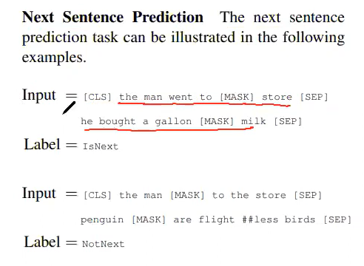

8 | GPT-I & II doesn't have major differences .

 |  | GPT-II
 |  |  | GPT-II small
 |  |  | GPT-II medium
 |  |  | GPT-II Large
 |  |  | GPT-II Extra Large
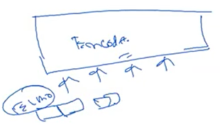
ALBERT | ( A Lite BERT ) |  |  |  |  |  |  |  |  | 15
 |  |  |  |  |  |  |  |  |  | 3X5
1 |  | 1 | Factorize embedding Parameters
 |  | 2 | Cross Layer Parameter Sharing
 |  | 3 | Inter sentence co-herent loss

2 | BERT BASE |  | ALBERT BASE |  | ALBERT X LARGE

 | BERT LARGE |  | ALBERT LARGE |  | ALBERT XX LARGE
 |  |  |  |  |  |  |  |  | Attention Layer
 |  |  |  |  | Parameters |  | Layers |  | Hidden State | Embeddings |  | Param Sharing
 |  |  | BERT BASE |  | 110M |  | 12 |  | 768 | 768 |  | No

 |  |  | BERT LARGE |  | 340M |  | 24 |  | 1024 | 1024 |  | No

 |  |  | ALBERT BASE |  | 12M |  | 12 |  | 768 | 128 |  | Yes

 |  |  | ALBERT LARGE |  | 18M |  | 24 |  | 1024 | 128 |  | Yes

 |  |  | ALBERT X LARGE |  | 60M |  | 24 |  | 2048 | 128 |  | Yes

 |  |  | ALBERT XX LARGE |  | 230M |  | 12 |  | 4096 | 128 |  | Yes

3 | Reference | https://arxiv.org/pdf/1909.11942.pdf

 |  | Moto is to achieve similar accuracy with minimum training compared to BERT .

DISTILLED BERT |  | Reference | https://arxiv.org/pdf/1910.01108.pdf

1 | 1st Mar 2020

2 | Comes from Hugging Face as an Organization .

3 | Latest Model

4 | Distilled means filteration .

5 | Parent Model information |  |  |  | to |  | Child Model information

6 | Loss of child not only should depend upon child only , should depend on Parent's loss too .

 | Less training & same accuracy like Parent Model .

7 | Distilled BERT
 |  |  | BERT size |  |  | 97% accuracy |  |  | 60% faster
 |  |  | 40%

 | Least no. of parameters compared to other models - BERT,GPT1,GPT2,ELMo,ALBERT

